Sheet1
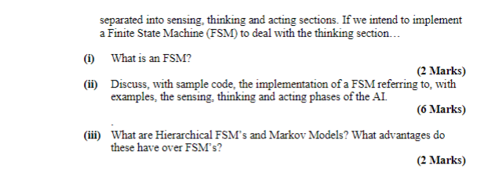

(i) | A FSM is (1) A Set of States (Behaviours of NPC Patrol, Chase Attack etc..) (2) A set of transitions (NPC_Sees_Target, NPC_attacked, etc. ) (3) A transition function State * transition ----> State (4) A start state

 | (ii) | https://github.com/Robert-Sheehy/GD_Group_Project_2023/blob/main/GD2023/Assets/NPCAI.cs

 | (iii) | Hierarchial FSM | Has FSMs within the states of the FSM
 |  |  | Cuts down on the code and the numbers of transitions/states

 |  | Markov Models | Uses random numbers to help choose next state/behaviour/action
 |  |  | Less predictable

A search tree is created from the current move position, in which, for each node all possible next moves are the children of the current node.

The leaves of this tree correspond to an end game, we use the Utility Function to assign a number to the leaves, typically +1 for win, 0 for draw, -1 for a loss

The Max/Min algorithm is used to "filter" these numbers back up to the root and determine the appropriate move.

The search tree becomes too big to generate/store/search.

The evaluation function is applied at a given depth, where higher values represepent better positions, and the min max will filter those values back up as with the Utility function.

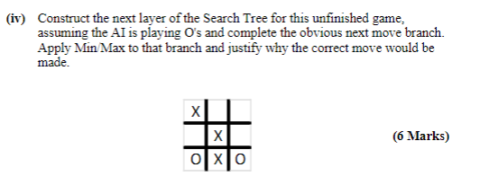

See sheet 2

